Q2
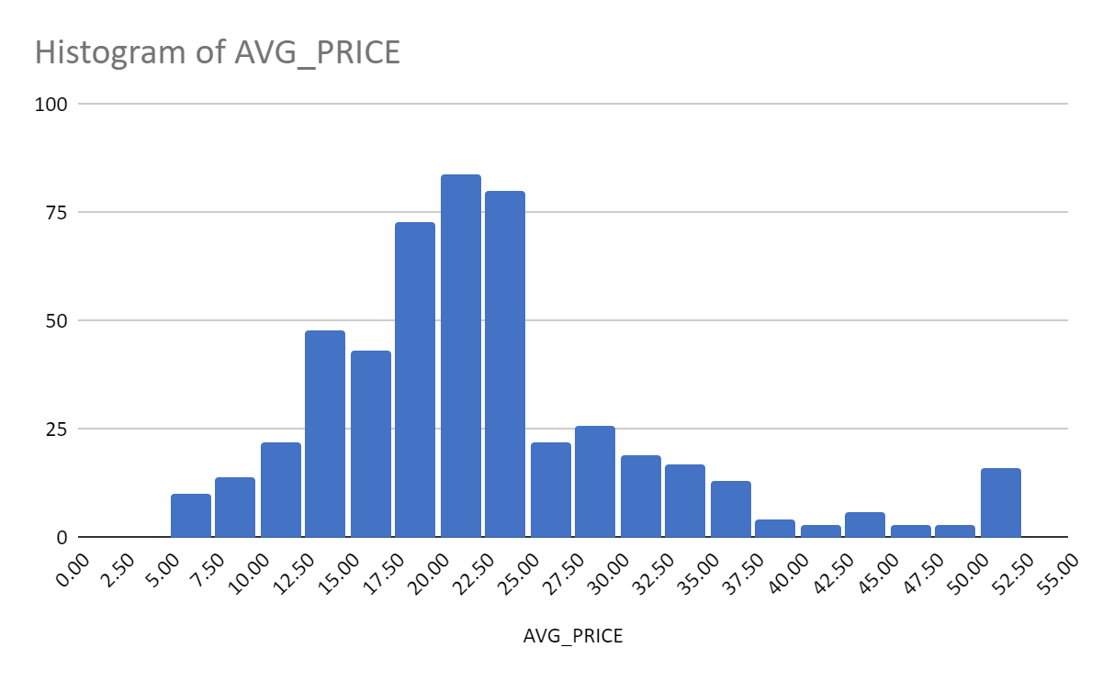

Q5
SUMMARY OUTPUT
LSTAT Residual Plot
4.98 | -5.8225950977
9.14 | -4.270389786
4.03 | 3.9748580163
2.94 | 1.6393042207
5.33 | 6.7099221761
5.21 | -0.9040837463
12.43 | 0.15527258783
19.15 | 10.739604245
29.93 | 10.381136279
17.1 | 0.59200306988
20.45 | -0.12533159503
13.27 | -3.046685955
15.71 | 2.0714344682
8.26 | -6.3064332173
10.26 | -6.6063345098
8.47 | -6.6069228531
6.58 | -5.2025161317
14.67 | -3.1166168598
11.69 | -3.247763934
11.28 | -5.637284169
21.02 | -0.98380346339
13.83 | -1.8146583169
18.72 | -1.568916977
19.88 | -1.1668597267
16.3 | -3.4680364131
16.51 | -4.9685260488
14.81 | -3.8836099502
17.28 | -3.3369880464
12.8 | -3.9932091513
11.98 | -2.1722496214
22.6 | -0.38272548445
13.04 | -7.6651973064
27.71 | 4.9720267133
18.35 | -4.0204352379
20.34 | -1.7298370239
9.68 | -6.457363135
11.41 | -3.713777753
8.77 | -5.2219080469
10.13 | -0.22984092581
4.32 | 0.35037232885
1.98 | 2.2272568411
4.84 | -3.3556020072
5.81 | -3.734054134
7.44 | -2.7854736874
9.55 | -4.280869551
10.21 | -5.5538369775
14.15 | -1.1106425237
18.8 | -0.092913028733
30.81 | 9.1171797099
16.2 | 0.2369586515
...
Regression Statistics
Multiple R | 0.737662726
R Square | 0.544146298
Adjusted R Square | 0.543241826
Standard Error | 6.215760405
Observations | 506

ANOVA
 | df | SS | MS | F | Significance F
Regression | 1 | 23243.914 | 23243.914 | 601.6178711 | 0
Residual | 504 | 19472.38142 | 38.63567742
Total | 505 | 42716.29542

 | Coefficients | Standard Error | t Stat | P-value | Lower 95% | Upper 95% | Lower 95% | Upper 95%
Intercept | 34.55384088 | 0.562627355 | 61.41514552 | 3.74E-236 | 33.44845709 | 35.65922467 | 33.44845709 | 35.65922467
LSTAT | -0.950049354 | 0.038733416 | -24.52789985 | 5.08E-88 | -1.026148196 | -0.873950511 | -1.026148196 | -0.873950511

